Results
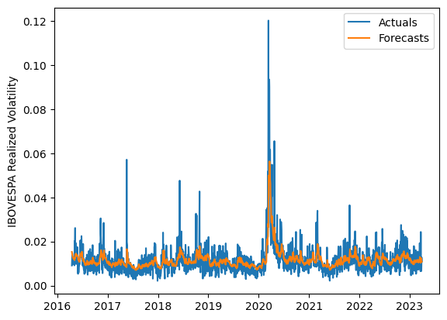
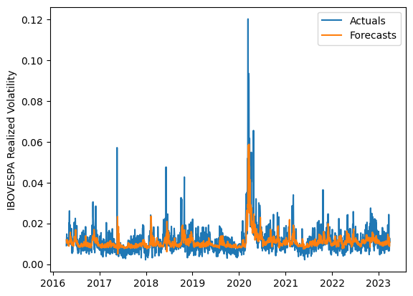
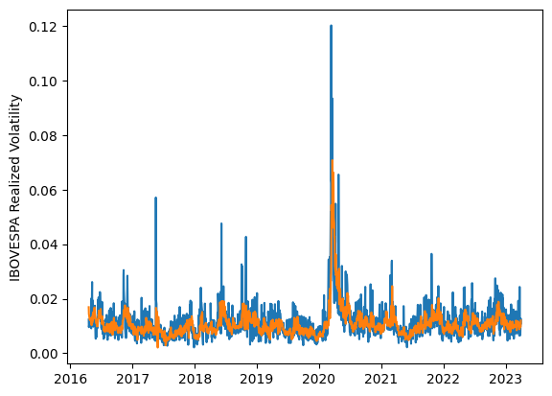
 | LSTM |  |  | TCN |  |  | NBEATSx |  |  |  |  | LSTM |  |  | TCN |  |  | NBEATSx
 | Accuracy | RMSE | Qlike | Accuracy | RMSE | Qlike | Accuracy | RMSE | Qlike |  |  | Accuracy | RMSE | Qlike | Accuracy | RMSE | Qlike | Accuracy | RMSE | Qlike
Trial 1 | 66.72% | 0.34% | 7.85% | 66.65% | 0.34% | 7.98% | 69.44% | 0.34% | 7.56% |  | Mean | 68.34% | 0.332% | 0.074 | 64.16% | 0.359% | 0.089 | 69.09% | 0.342% | 0.076
Trial 2 | 66.68% | 0.34% | 7.81% | 65.40% | 0.35% | 8.48% | 68.36% | 0.35% | 7.55% |  | Standard Deviation | 2.24% | 0.007% | 0.006 | 5.15% | 0.027% | 0.017 | 0.47% | 0.003% | 0.001
Trial 3 | 69.50% | 0.33% | 7.01% | 62.69% | 0.36% | 9.23% | 68.29% | 0.35% | 7.76% |  | 95% CI upper bound | 72.83% | 0.346% | 0.086 | 74.47% | 0.412% | 0.123 | 70.03% | 0.348% | 0.078
Trial 4 | 70.63% | 0.33% | 6.76% | 54.08% | 0.41% | 12.29% | 69.28% | 0.34% | 7.46% |  | 95% CI lower bound | 63.86% | 0.318% | 0.061 | 53.85% | 0.305% | 0.055 | 68.15% | 0.337% | 0.073
Trial 5 | 66.85% | 0.33% | 7.78% | 70.78% | 0.34% | 6.96% | 68.58% | 0.35% | 7.47% |  | 99.7% CI upper bound | 75.07% | 0.354% | 0.093 | 79.62% | 0.439% | 0.140 | 70.50% | 0.350% | 0.079
Trial 6 | 69.41% | 0.33% | 7.03% | 53.81% | 0.42% | 12.64% | 69.24% | 0.34% | 7.64% |  | 99.7% CI lower bound | 61.62% | 0.310% | 0.055 | 48.70% | 0.278% | 0.038 | 67.68% | 0.334% | 0.072
Trial 7 | 65.72% | 0.34% | 8.11% | 65.72% | 0.35% | 8.35% | 69.15% | 0.34% | 7.60%
Trial 8 | 70.25% | 0.32% | 6.82% | 62.75% | 0.36% | 9.21% | 69.47% | 0.34% | 7.47%
Trial 9 | 70.53% | 0.32% | 6.72% | 63.72% | 0.36% | 9.01% | 69.43% | 0.34% | 7.75%
Trial 10 | 65.15% | 0.34% | 8.29% | 66.48% | 0.34% | 8.04% | 69.91% | 0.34% | 7.49%
Trial 11 | 71.45% | 0.32% | 6.50% | 58.20% | 0.39% | 10.76% | 68.90% | 0.34% | 7.44%
Trial 12 | 71.50% | 0.33% | 6.56% | 69.60% | 0.34% | 7.46% | 68.53% | 0.34% | 7.41%
Trial 13 | 65.63% | 0.34% | 8.15% | 68.27% | 0.35% | 7.55% | 69.02% | 0.34% | 7.44%
Trial 14 | 68.37% | 0.33% | 7.35% | 66.77% | 0.34% | 8.02% | 69.25% | 0.34% | 7.72%
Trial 15 | 66.73% | 0.33% | 7.79% | 67.45% | 0.35% | 7.81% | 69.51% | 0.34% | 7.59%

 | LSTM (best trial) |  |  |  |  |  |  |  |  | TCN (best trial) |  |  |  |  |  |  |  |  | NBEATSx (best trial)

